Settings_ReadMe
The references used in this workbook refer to the references on the mark up saved here:
(insert hyperlink here)

Quick Explanation:
On the "Pipe Section" worksheet, the user inputs the number of rads/radiant panels for each section (under "additional rads/radiant panels this section") and the sections which are fed from that section (under "feeds section")
A kW load can also be added for each section
The running total of loads served by each section is then calculated and the corresponding kW load and pipe size are determined

Only cells with a yellow background should be filled in by the user

The Radiator and Radiant Panel Loads used in this workbook are set below

Rad | kW |  | Radiant Panel | kW | Heating System Parameters:
R01 | 3 |  | RP01 | 30 | dT | 20 | K
R02 | 2 |  | RP02 | 20 | Max Pa/m | 250 | Pa/m
R03 | 1 |  | RP03 | 10
R04 | 0.5 |  | RP04 | 5
R05 | 0.5 |  | RP05 | 3 | Fluid Properties:
R06 | 0 |  | RP06 | 0 | C | 4.189 | kJ/kgK | Specific heat capacity
R07 | 0 |  |  |  | ρ | 977.8 | kg/m3 | Density
R08 | 0 |  |  |  | v | 0.000000409 | m2/s | Viscosity

If you can't follow what's going on ask Richard Seaman.

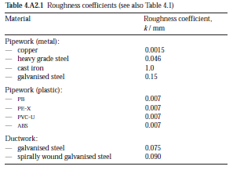
Steel Pipe Data |  |  |  |  |  |  | Formulae Used:
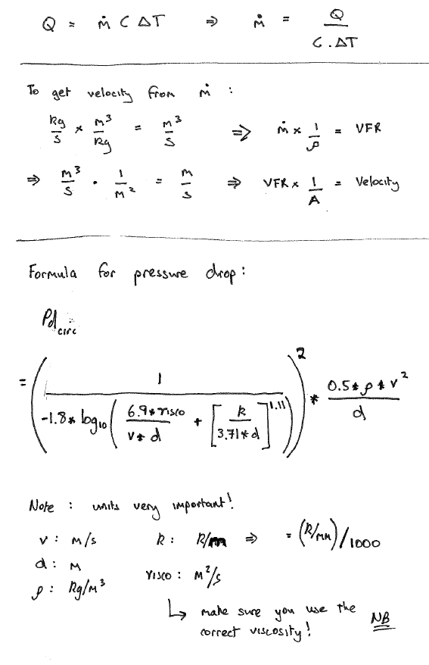
k value | 0.046 | k/mm

Nom dia | Int dia
mm | m
15 | 0.01610
20 | 0.02160
25 | 0.02740
32 | 0.03600
40 | 0.04190
50 | 0.05300
65 | 0.06870
80 | 0.08070
90 | 0.09315
100 | 0.10510
125 | 0.12995
150 | 0.15540
200 | 0.21910

